Instructions
Instructions for using the Salmonella Distance Matrix Template File for PulseNet 2.0

1. Download the 60 Day View .csv for Salmonella from PulseNet 2.0

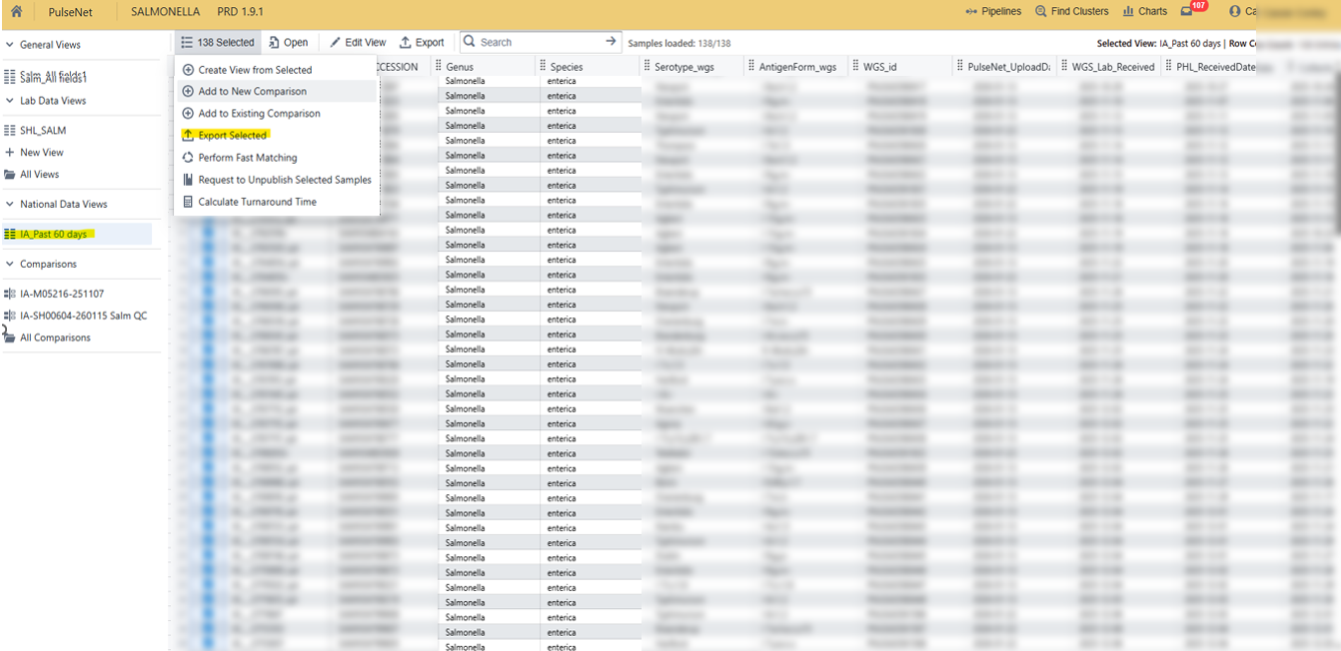

2. Add those samples to a comparison.

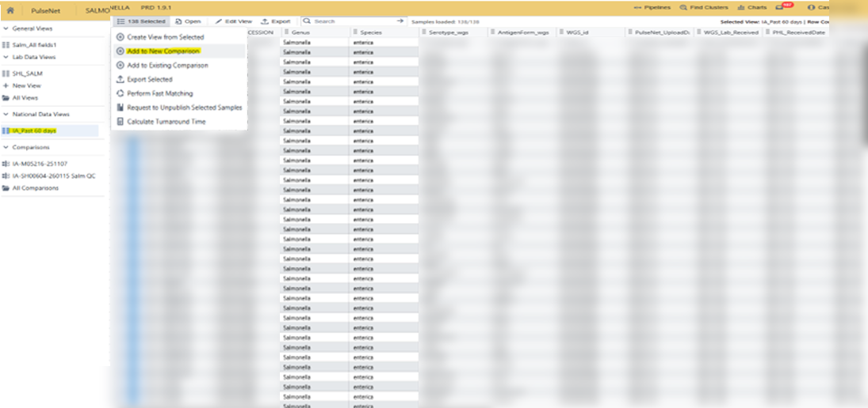

3. Export the Distance Matrix from the comparison of all samples in the 60 Day View
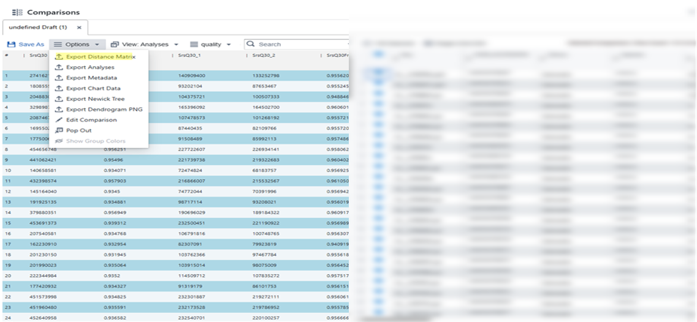

4. Open the template file. You may need to click "enable macros." Enter your initials in G1 (red cell), then click the "Import 60 Day View and Distance Matrix" button.

5. First select the 60 Day View .csv file from step 1. Then select the Distance Matrix .csv file from step 3.

6. Select a location to save your newly completed spreadsheet!

7. On individual serotype tabs, the samples from the most recent run date will be highlighted in bright yellow. You may see some extra Agbeni tabs - that is in bug that will hopefully be fixed with the next release!

8. For questions or help, please contact cassie-conley@uiowa.edu

